BVT
S no | Feature | BVT | Steps | Expected output | Chrome | Edge
1 | Basic column chart | Display basic rotating chart | 1. Drag 'Manufacture' column in 'Category data' field 2. Drag 'Sales $' column in 'Measure data' 3. Drag 'Total units' column in 'Measure data' | The visual should be displayed | 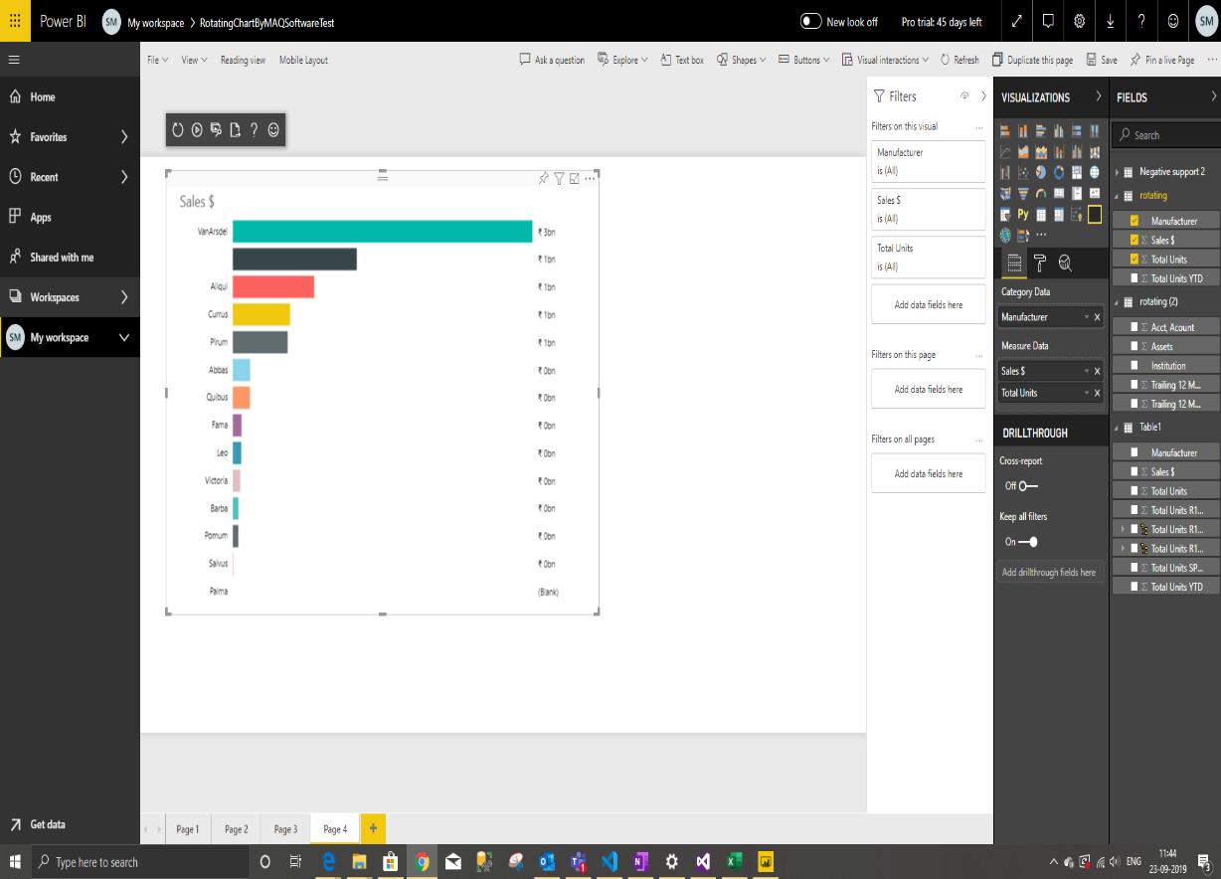 | 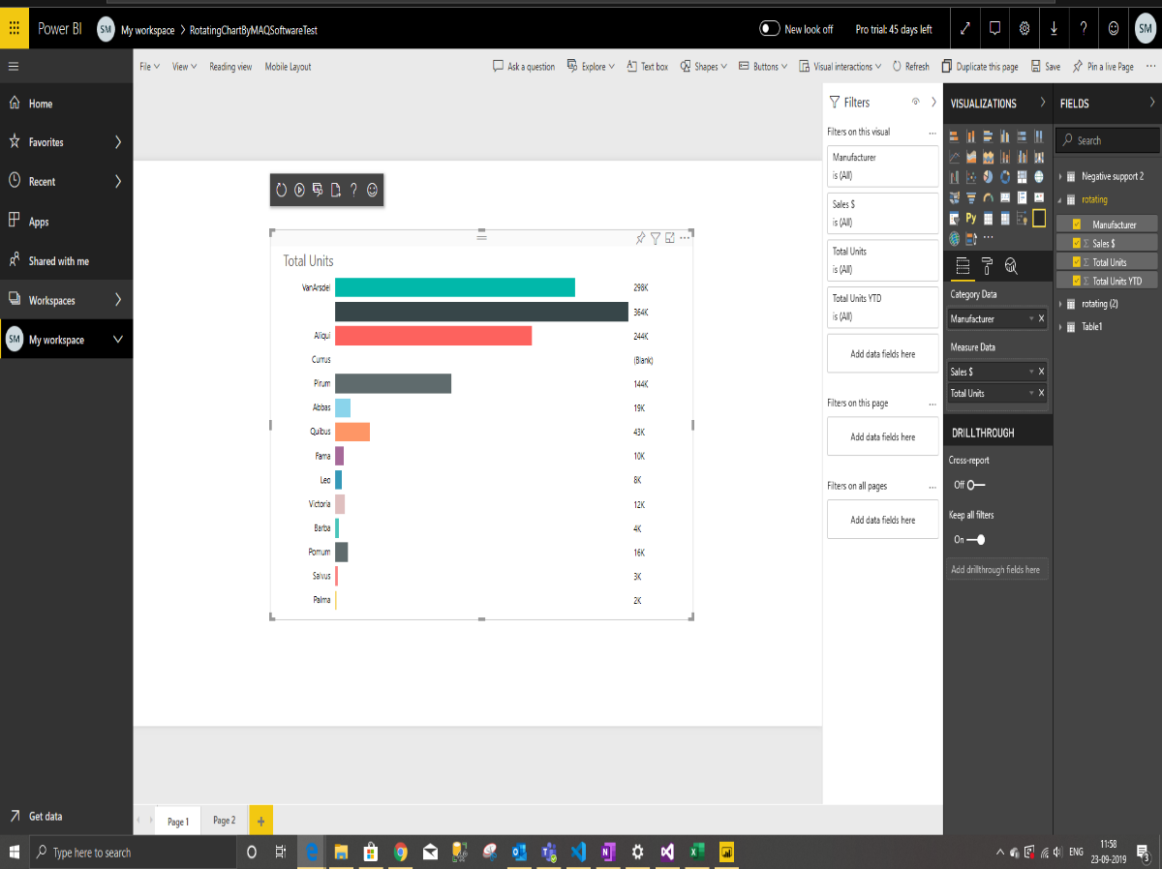
2 | Data Color | Update color of first bar | 1. Go to formatting pane 2. Go to 'Data Color' option 3. Update color of first option to 'Blue' | The color of the first bar will be set to 'Blue' | 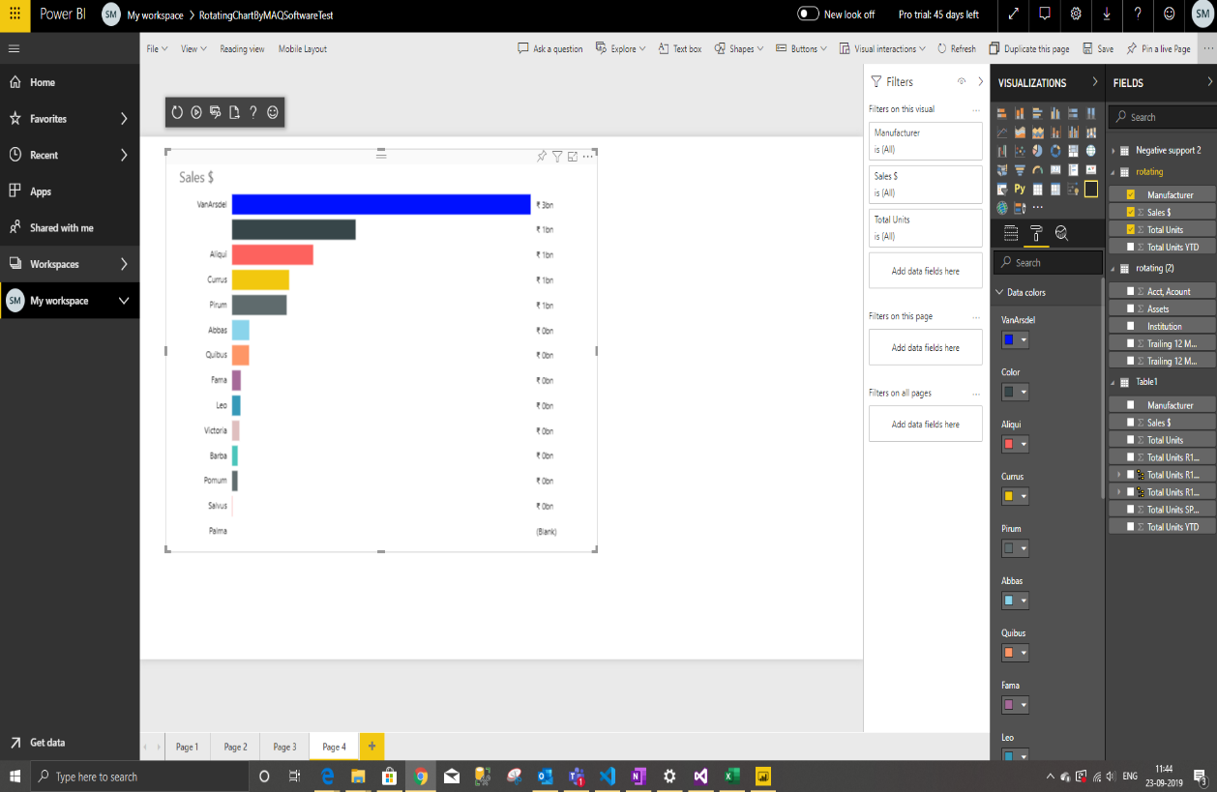 | 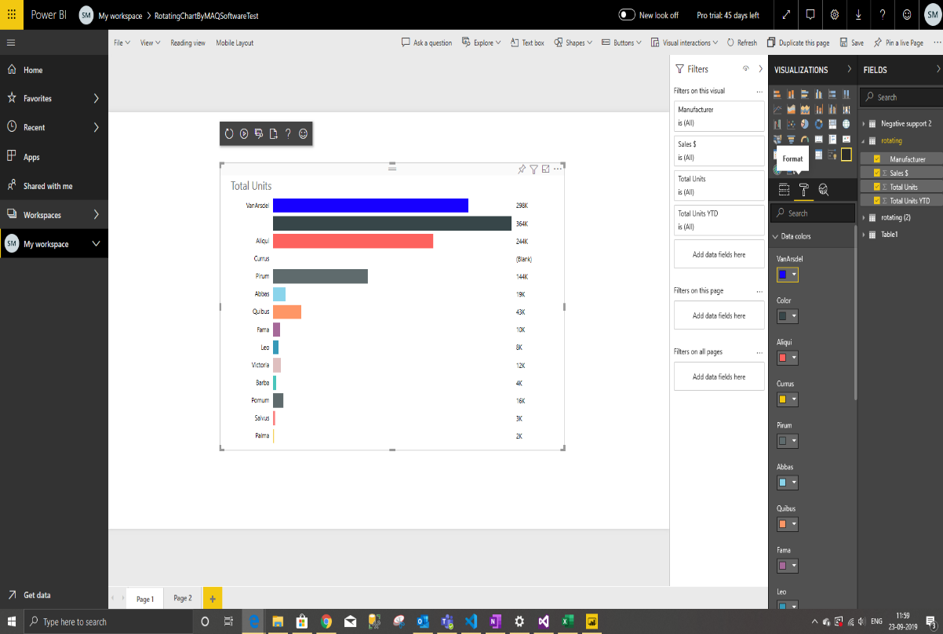
3 | Animation Setting | Update delay in rotation of chart | 1. Go to formatting pane 2. Go to 'Animation Setting' option 3. Set toggle to ON. 4. Update 'Delay' to 4 | Rotation of the chart will be delayed by '4' seconds | 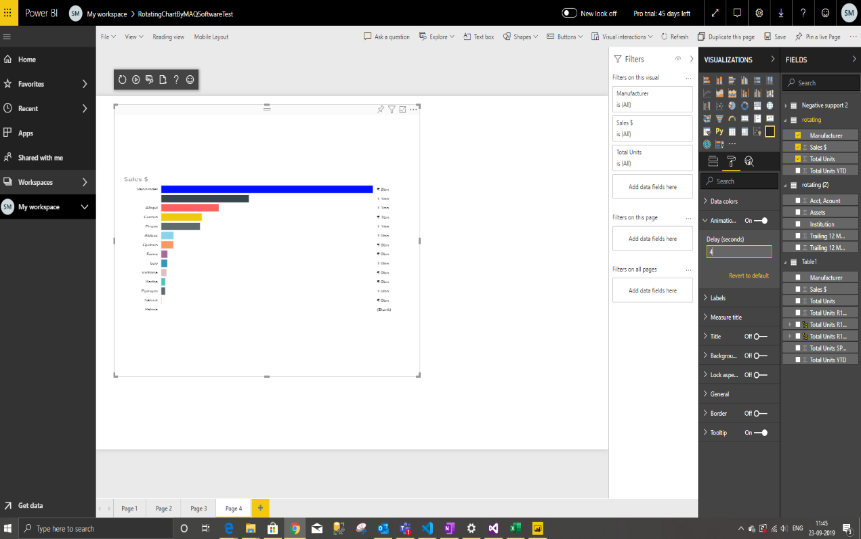 | 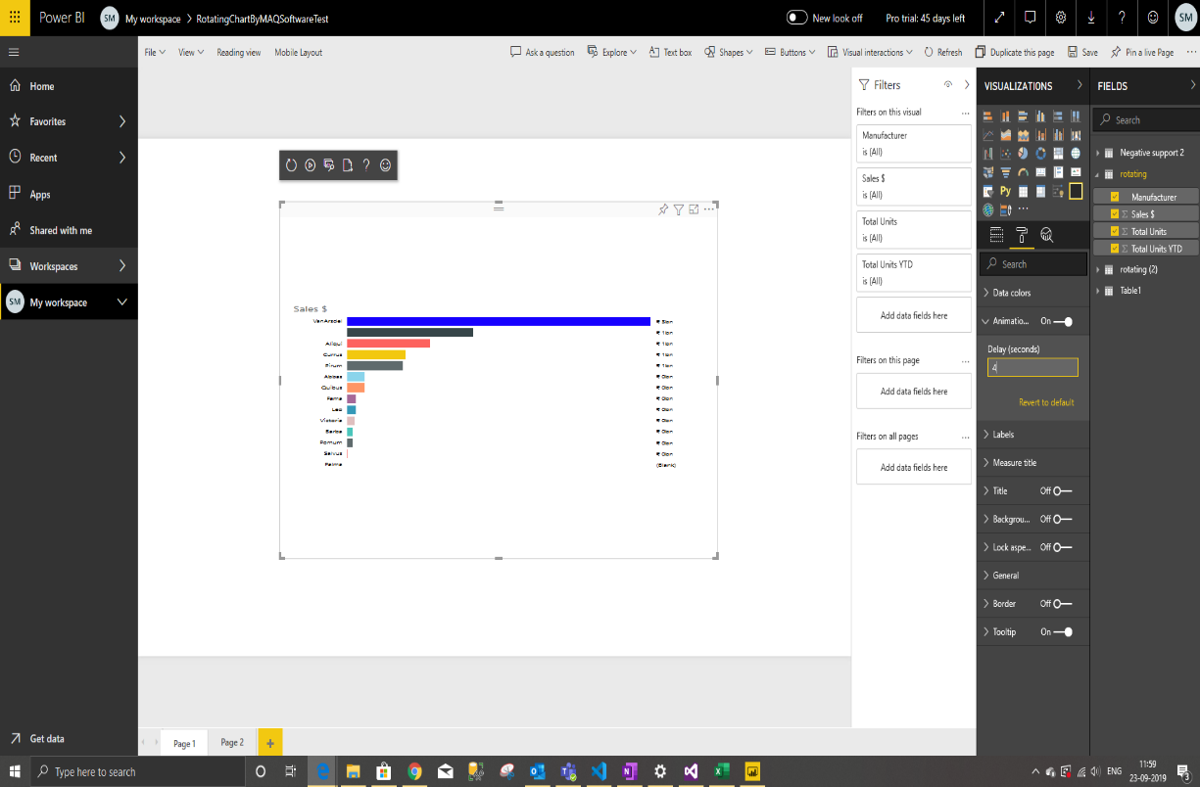
4 | Labels | Update color, text size, display units and decimal places of data labels | 1. Go to formatting pane 2. Go to 'Labels' option 3. Update 'color' to 'Green' 4. Update 'text size' to '14' 5. Update 'display units' to 'Thousands' 6. Update 'decimal places' to '2' | 1. Color of labels will be set to 'Green' 2. text size of labels will be resized to '14' 3. Display units of labels will be updated to '200K' 4. Decimal places of label will be updated to '200.00K' | 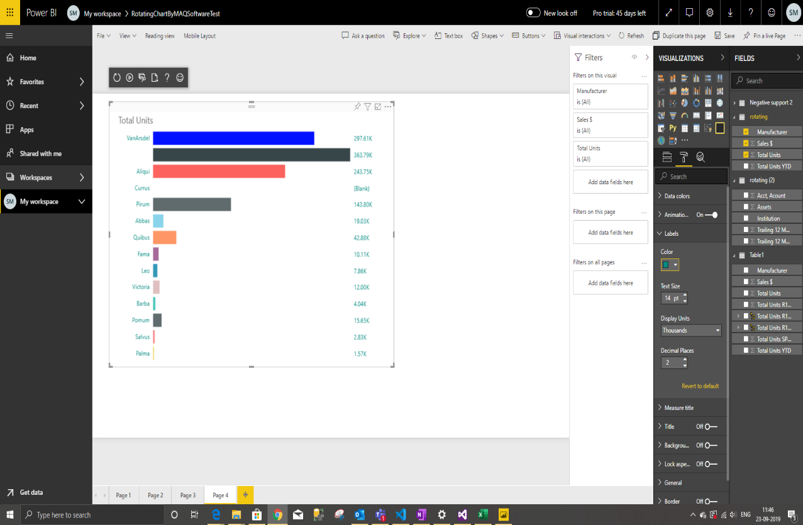 | 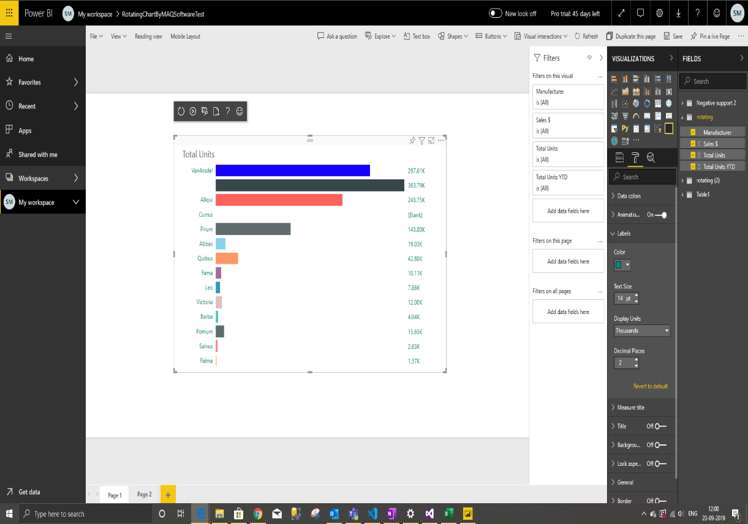
5 | Measure title | Update title color and text size | 1. Go to formatting pane 2. Go to 'Measure title' option 3. Update 'color' to 'Purple' 4. Update 'text size' to '15' | 1. Color of title will be set to 'Purple' 2. Text size of title will be resized to '15' | 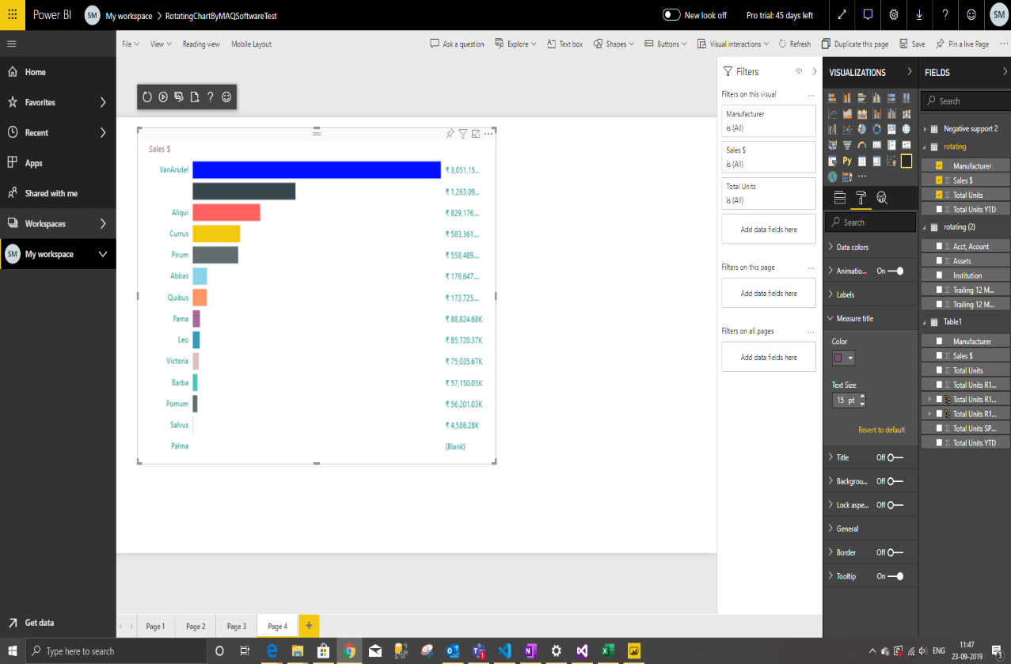 | 

